ART
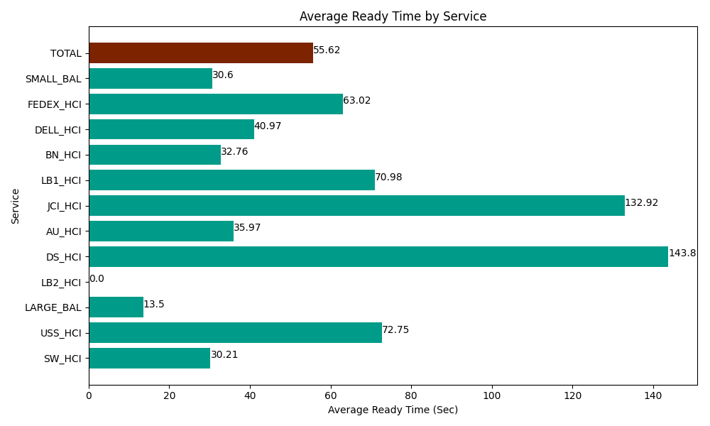
Date | Service | Successful Op Transfer | In Call (Sec) | Ready (Sec) | Wrapup (Sec) | Not Ready (Sec) | Average Ready Time (Sec)
05-30-2024 | SW_HCI | 172 | 7615.1998901 | 5195.9999084 | 11254.80011 | 7965 | 30.21
05-30-2024 | USS_HCI | 253 | 40123.198242 | 18406.799927 | 41743.798828 | 23581.199341 | 72.75
05-30-2024 | LARGE_BAL | 2 | 180 | 26.999999285 | 46.799998283 | 115.79999685 | 13.5
05-30-2024 | LB2_HCI | 0 | 0 | 488.99997711 | 0 | 1612.7999496 | 0
05-30-2024 | DS_HCI | 94 | 8392.199707 | 13516.799927 | 9343.7997437 | 19189.799194 | 143.8
05-30-2024 | AU_HCI | 120 | 9476.9998169 | 4315.8000183 | 12391.200256 | 11245.799561 | 35.97
05-30-2024 | JCI_HCI | 180 | 14711.999817 | 23925 | 17322.000732 | 2866.2000275 | 132.92
05-30-2024 | LB1_HCI | 223 | 23292.000732 | 15829.200439 | 22851.000366 | 30805.198975 | 70.98
05-30-2024 | BN_HCI | 921 | 54001.801758 | 30171.000366 | 70867.800293 | 36742.800293 | 32.76
05-30-2024 | DELL_HCI | 60 | 4210.1998901 | 2458.2000732 | 22822.800293 | 7153.8002014 | 40.97
05-30-2024 | FEDEX_HCI | 66 | 3976.7999268 | 4159.1999817 | 4415.9999084 | 10519.200439 | 63.02
05-30-2024 | SMALL_BAL | 77 | 3229.8001099 | 2356.2000275 | 7265.9999084 | 943.79997253 | 30.6
 | TOTAL | 2168 | 169210.19989 | 120850.20064 | 220326.00044 | 152741.39795 | 55.62

